Metadata
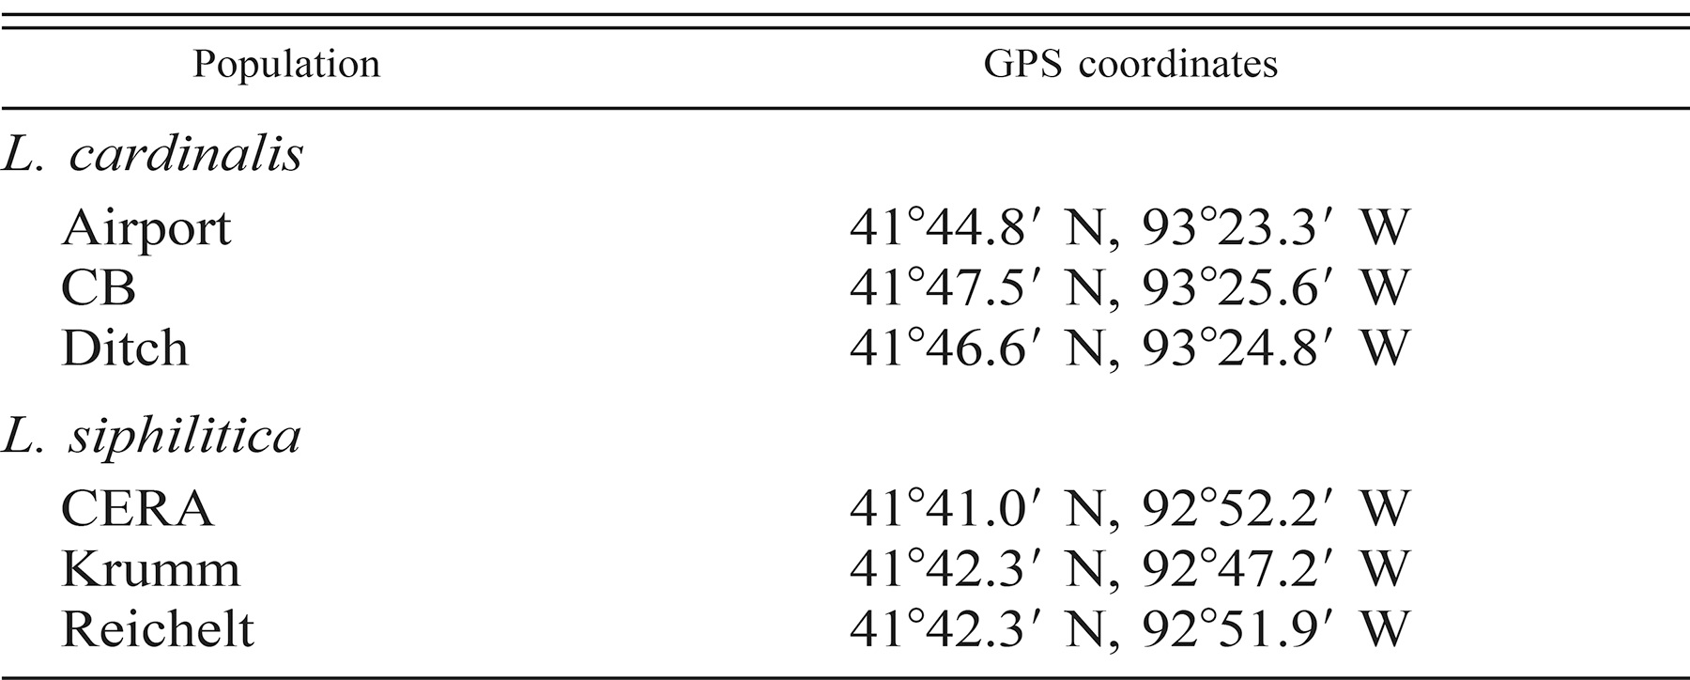
Data from: Caruso, C. M., Peterson, S. B., & Ridley, C. E. (2003). Natural selection on floral traits of Lobelia (Lobeliaceae): spatial and temporal variation. American Journal of Botany, 90(9), 1333-1340.
All measurements were done in natural field populations.
Both Lobelia siphilitica and Lobelia cardinalis are self-compatible.
Lobelia siphilitica is primarily bumblebee pollinated. Lobelis cardinalis is hummingbird pollinated.
Both species have a mixed mating system (although they can't autonomously self, so any selfing that does happen is geitonogamous.)
Location of populations:

